1. Instructions
 | Sanger Sequencing Instructions

1) Please fill out sample details in the attached worksheet. Save the file with your PI's initials and date where indicated.
2) Email an electronic copy of the submission form to ndiaz31@gatech.edu and CC ngs@ibb.gatech.edu
3) Submit a request for Sanger Sequencing through SUMS: https://www.sums.gatech.edu
4) Include a paper copy of the submission form with your shipment.
Please submit this form with your samples to avoid delays in sample processing.

Packaging Tips
Shipment of samples on ice is recommended (not applicable for dropbox submissions).
Protect samples by carefully sealing plate and wrapping tubes.
Do not place plate loosely inside the transport container.

Drop-Off Address
Sample drop off mini fridge located to the right of the two main elevators on the second floor Krone Engineered Biosystems Building 950 Atlantic Drive, N.W., EBB Room 2032 Atlanta, Georgia, 30332

Sanger Sample Requirements

Please submit aliquots for each of your samples. We advise against sending your entire volume of samples.

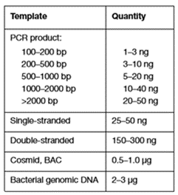
Table 1A
• Please submit your samples in single tubes or a plate
• Submit reactions in multiples of 4
• Minimum volume: 10uL or more per sample
• Required primer concentration: 3.2 uM
• Minimum primer volume: 5 uL per reaction for both forward and reverse primers
• Please refer to Table 1A for template options. This information is asked for
in Table 2A.
• Table 1B shows the read modules available in SeqStudio. The maximum
length for a submitted sample is 800 bp.
• Plasmids can be submitted as is with corresponding primers.
Table 1B
• For DNA samples or plasmid inserts, provide purified PCR products with
corresponding primers.

Sample Storage Policy

Samples will not be returned. All unused samples will be discarded 28 days after the data is released.

If you have any questions, reach out to:
ndiaz31@gatech.edu
ngs@ibb.gatech.edu

